MPa
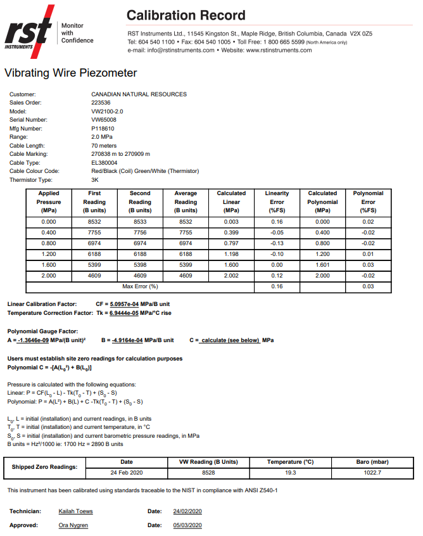
VW PIEZOMETER CALCULATION
 |  |  |  |  | Linear Calculations |  |  |  |  |  |  | Polynomial Calculation

SITE INFORMATION |  |  |  |  | LINEAR COEFFICIENTS |  |  | INITIAL READINGS (at surface) |  |  |  | POLYNOMIAL COEFFICIENTS |  |  |  | INITIAL READINGS (at surface)
VWP No. | VW65008 |  |  |  | C.F. (MPa/B unit) | 5.0597E-04 |  | L0 (B) | 8700 |  |  | A | -1.3646E-09 |  |  | L0 (B) | 8700
Piezometer Elev. (m) | ????? |  |  |  | Tk (MPa/°C rise) | -6.9444E-05 |  | T0 (°C) | 22 |  |  | B | -4.9164E-04 |  |  | T0 (°C) | 22
Depth of Piezometer (m) | 69.00 |  |  |  | F (MPa/millibar) | 0.0001 |  | S0 (millibar) | 1020 |  |  | C | 4.3806E+00 |  |  | S0 (millibar) | 1020

Date/Time | Eng Units | Temperature | VWP Reading | Barometric | CF * (L0 - L) - | Tk * (T0 - T) + | (S0 - S) | Calculated P |  |  |  | A * L2 + | B * L + | C - | Tk * (T0 - T) + | (S0 - S) | Calculated P
 |  | (T in °C) | (L in B Units) | (S in millibars) | (MPa) | (MPa) | (in MPa) | (MPa) |  |  |  | (MPa) | (MPa) | (MPa) | (MPa) | (in MPa) | (MPa)
Current Reading |  | 12 | 5000 | 1025 | 1.8721 | -0.0007 | -0.0005 | 1.8723 |  |  |  | -0.0341 | -2.4582 | 4.3806 | -0.0007 | 0.0005 | 1.8894

Linear Calculation - Input your values in orange cells H5,H6,H7,K5,K6,K7 |  |  |  |  |  |  |  |  |  | C Calculation
Polynomial Calculation - Input your values in yellow cells O5,O6,S5,S6,S7 |  |  |  |  |  |  |  |  |  | C=-1[A(Lo2)+B(Lo)]
C Calculation - Blue Values - Do not change formulae |  |  |  |  |  |  |  |  |  | -1.0329E-01 | A(Lo2)
Site Information - Update for your records |  |  |  |  |  |  |  |  |  | -4.28 | B(Lo)
The formulae works for units in kPa and Mpa |  |  |  |  |  |  |  |  |  | Sum L16 & L17 times -1 | Multiply x-1

MPa
Pressure is calculated with the following equations:
Linear: | P = CF(L₀ - L) - Tk(T₀ - T) + F(S₀ - S)
Polynomial: | P = A(L²) + B(L) + C - Tk(T₀ - T) + F(S₀ - S)
 |  |  |  |  |  |  |  |  |  | kPA on next tab
Users must establish site zero readings for calculation purposes
Polynomial C = - [A(L₀²) + B(L₀)]

L₀, L = initial (installation) and current readings, in B units
T₀, T = initial (installation) and current temperature, in °C
S₀, S = initial (installation) and current barometric pressure readings, in kPa
B units = B scale output of VW 2102, VW 2104, VW 2106 and DT 2011 readouts
B units = Hz²/1000 ie: 1700 Hz = 2890 B units
F = Barometric Pressure Constant = 0.0001 MPa/mbar

kPa
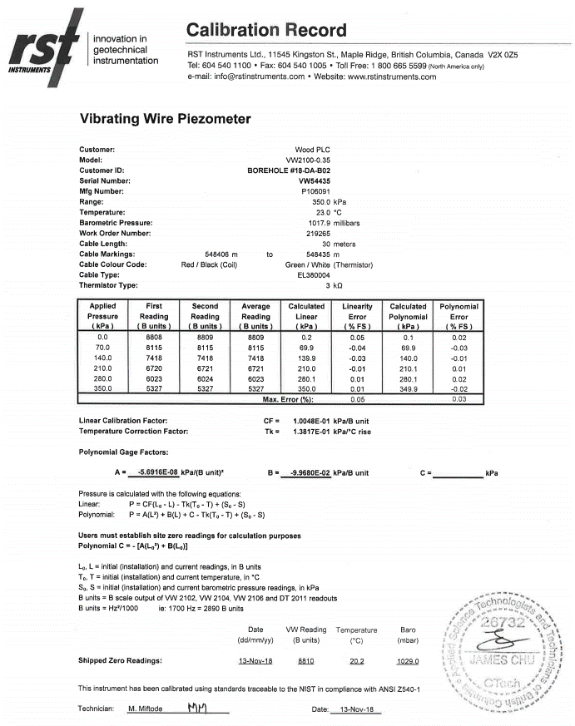
VW PIEZOMETER CALCULATION
 |  |  |  |  | Linear Calculations |  |  |  |  |  |  | Polynomial Calculation

SITE INFORMATION |  |  |  |  | LINEAR COEFFICIENTS |  |  | INITIAL READINGS (at surface) |  |  |  | POLYNOMIAL COEFFICIENTS |  |  |  | INITIAL READINGS (at surface)
VWP No. | VW54435 |  |  |  | C.F. (kPa/B unit) | 1.0048E-01 |  | L0 (B) | 8800 |  |  | A | -5.6916E-08 |  |  | L0 (B) | 8800
Piezometer Elev. (m) | tbd |  |  |  | Tk (kPa/°C rise) | 1.3817E-01 |  | T0 (°C) | 28 |  |  | B | -9.9680E-02 |  |  | T0 (°C) | 28
Depth of Piezometer (m) | 29.00 |  |  |  | F (kPa/millibar) | 0.1 |  | S0 (millibar) | 1018 |  |  | C | 8.8159E+02 |  |  | S0 (millibar) | 1018

Date/Time | Eng Units | Temperature | VWP Reading | Barometric | CF * (L0 - L) - | Tk * (T0 - T) + | (S0 - S) | Calculated P |  |  |  | A * L2 + | B * L + | C - | Tk * (T0 - T) + | (S0 - S) | Calculated P
 |  | (T in °C) | (L in B Units) | (S in millibars) | (kPa) | (kPa) | ( in kPa) | (kPa) |  |  |  | (kPa) | (kPa) | (kPa) | (kPa) | (in kPa) | (kPa)
Current Reading |  | 11.3 | 5500 | 1000 | 331.5840 | 2.3074 | 1.8000 | 331.0766 |  |  |  | -1.72 | -548.24 | 881.59 | 2.3074 | -1.8000 | 327.52

Linear Calculation - Input your values in orange cells H5,H6,H7,K5,K6,K7 |  |  |  |  |  |  |  |  |  | C Calculation
Polynomial Calculation - Input your values in yellow cells O5,O6,S5,S6,S7 |  |  |  |  |  |  |  |  |  | C=-1[A(Lo2)+B(Lo)]
C Calculation - Blue Values - Do not change formulae |  |  |  |  |  |  |  |  |  | -4.4076E+00 | A(Lo2)
Site Information - Update for your records |  |  |  |  |  |  |  |  |  | -877.18 | B(Lo)
The formulae works for units in kPa and Mpa |  |  |  |  |  |  |  |  |  | Sum L14 & L15 times -1 | Multiply x-1

kPa
Pressure is calculated with the following equations:
Linear: | P = CF(L₀ - L) - Tk(T₀ - T) + F(S₀ - S)
Polynomial: | P = A(L²) + B(L) + C - Tk(T₀ - T) + F(S₀ - S)

Users must establish site zero readings for calculation purposes
Polynomial C = - [A(L₀²) + B(L₀)]
 |  |  |  |  |  |  |  |  |  | Mpa on Previous Tab
L₀, L = initial (installation) and current readings, in B units
T₀, T = initial (installation) and current temperature, in °C
S₀, S = initial (installation) and current barometric pressure readings, in kPa
B units = B scale output of VW 2102, VW 2104, VW 2106 and DT 2011 readouts
B units = Hz²/1000 ie: 1700 Hz = 2890 B units
F = Barometric Pressure Constant = 0.1 kPa/mbar

